Decision Tree
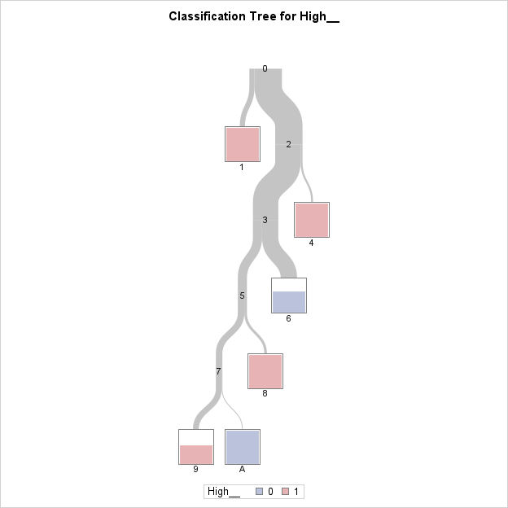
The SAS System
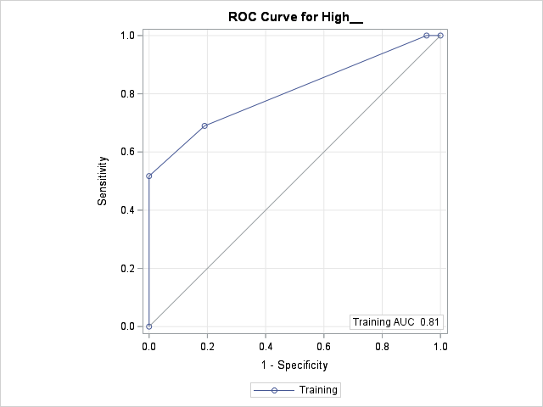
The HPSPLIT Procedure

Model-Based Confusion Matrix
Actual | Predicted |  | Error
 | 0 | 1 | Rate
0 | 17 | 4 | 0.1905
1 | 9 | 20 | 0.3103

Model-Based Fit Statistics for Selected Tree
N | ASE | Mis- | Sensitivity | Specificity | Entropy | Gini | RSS | AUC
Leaves |  | class
6 | 0.1596 | 0.26 | 0.6897 | 0.8095 | 0.6497 | 0.3193 | 15.9644 | 0.8062

 |  |  |  |  |  | The position of the player is around twice as important as the variable of whether the player is a starter and whether he takes more than 17 shots per game or not. As for whether the player is left-handed or right-handed, this varible is also significant but not as important as the others with 0.7454.

Variable Importance
Variable | Variable | Training |  | Count
 | Label | Relative | Importance
POS_1 | POS_1 | 1 | 2.1883 | 2
Starter | Starter | 0.5808 | 1.271 | 1
Shots | Shots | 0.5476 | 1.1984 | 1
L_or_R | L or R | 0.3406 | 0.7454 | 1

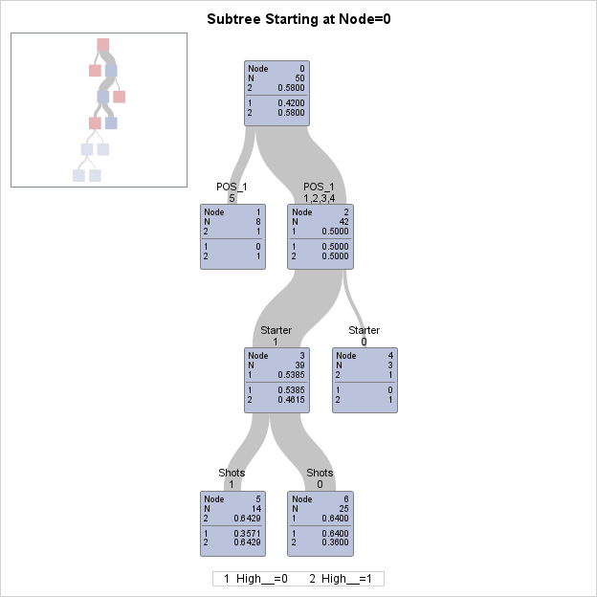
 |  |  |  |  |  |  |  |  | Node 0
 |  |  |  |  |  |  |  |  | N = 50 | Total number in the starting branch is everyone
 |  |  |  |  |  |  |  |  | 2 > 50% | This would be the decision if there was no branching below - at the bottom you can see that "2" is "high %", so its red
 |  |  |  |  |  |  |  |  | 1 = .4200 | breakdown of pass/fail in this branch - more pass than fail
 |  |  |  |  |  |  |  |  | 2 = .5800

 |  |  |  |  |  |  |  |  | Node 1 | Position is Center
 |  |  |  |  |  |  |  |  | N = 8 | Total number in that branch
 |  |  |  |  |  |  |  |  | 2 > 50% | This is a decision branch since there was no branching below - red color shows "high %", as does the fact that this is "2"

 |  |  |  |  |  |  |  |  | 1 = 0 | 0 out of 18 have shoot a low% - prediction is "High %" because it's colored red in the "mini-picture"
 |  |  |  |  |  |  |  |  | 2 = 1 | 8 out of 8 Shoot a high %
 |  |  |  |  |  |  |  |  | Node 2 | Position is Point Guard, Shooting Guard, Small Forward or Power Forward
 |  |  |  |  |  |  |  |  | N = 42
 |  |  |  |  |  |  |  |  | 1 = 50% | This would be the decision if there was no branching below - but there is more branching so no decision
 |  |  |  |  |  |  |  |  | 1 = .50 | 21 out of 42 fail - no prediction
 |  |  |  |  |  |  |  |  | 2 = .50 | 21 out of 42 have a high %

 |  |  |  |  |  |  |  |  | Node 3 | Player is a Starter
 |  |  |  |  |  |  |  |  | N = 39 | This would be the decision if there was no branching below - but there is more branching so no decision
 |  |  |  |  |  |  |  |  | 1 = .5385 | 21 out of 39 shoot a high %
 |  |  |  |  |  |  |  |  | 2 = .4615 | 18 out of 39 don’t shoot a high %

 |  |  |  |  |  |  |  |  | Node 4 | Player is not a Starter
 |  |  |  |  |  |  |  |  | N = 3 | This is a decision branch since there is no branching below - red color means high %
 |  |  |  |  |  |  |  |  | 2 = 1 | 3 out of the 3 players shoot a high %

 |  |  |  |  |  |  |  |  | Node 5 | Player takes 17 or more shots
 |  |  |  |  |  |  |  |  | N = 14 | This is not a decision because there is more branching below
 |  |  |  |  |  |  |  |  | 1 = .3571 | 5 out of 14 shoot a low %
 |  |  |  |  |  |  |  |  | 2 = .6429 | 9 out of 14 shoot a high %

 |  |  |  |  |  |  |  |  | Node 6 | Player does takes 16 or less shots
 |  |  |  |  |  |  |  |  | N = 25 | This is a decision branch since there is no branching below - blue color means low %
 |  |  |  |  |  |  |  |  | 1 = .64 | 16 out of 25 shoot a low %
 |  |  |  |  |  |  |  |  | 2 = .36 | 9 out of 25 shoot a high %

